TEDB Edition 40
Figure 9.7. Annual Vehicle Miles of Travel for Each Vehicle in a Household, 2017 NHTS
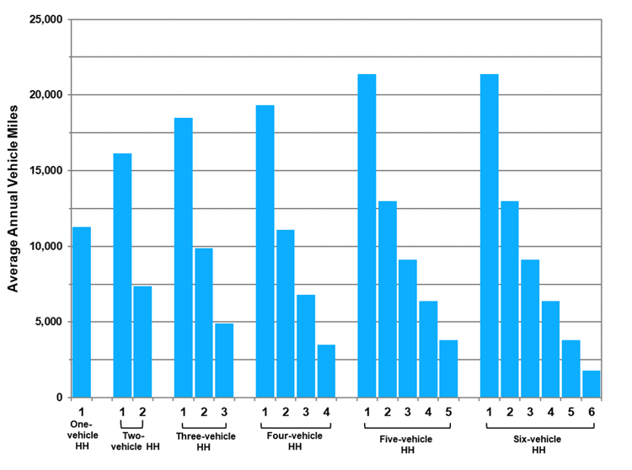

 | Number of |  | Average
 | Household | Vehicle | Annual
 | Vehicles | Number | Vehicle Miles
 | 1 | 1 | 11,276

 | 2 | 1 | 16,132
 |  | 2 | 7,357

 | 3 | 1 | 18,474
 |  | 2 | 9,883
 |  | 3 | 4,910

 | 4 | 1 | 19,339
 |  | 2 | 11,079
 |  | 3 | 6,819
 |  | 4 | 3,501

 | 5 | 1 | 21,383
 |  | 2 | 12,986
 |  | 3 | 9,130
 |  | 4 | 6,370
 |  | 5 | 3,784

 | 6 | 1 | 21,383
 |  | 2 | 12,986
 |  | 3 | 9,130
 |  | 4 | 6,370
 |  | 5 | 3,784
 |  | 6 | 1,775

 | Source:
 | Generated from the 2017 National Household Travel
 | Survey website nhts.ornl.gov.

